Status Quo Random
Pacific Division |  |  |  | Determining Wild Cards |  |  |  |  |  |  |  |  | Games | Trips
0.26228135972 | 7 | Anaheim |  | First wild card (7 seed overall) must finish 4th place in their division |  |  |  |  |  |  |  |  | 4 | 3
0.19215802469 | 8 | Calgary |  | Second wild card (8 seed overall) can either be 4 seed in other division, or 5 seed in same division |  |  |  |  |  |  |  |  | 5 | 5
0.46967697878 | 6 | Edmonton |  | Assumption: 2x likelihood that the 8 seed will be the other division's 4 seed |  |  |  |  |  |  |  |  | 6 | 7
0.62562536896 | 4 | Las Vegas |  |  |  |  |  |  |  |  |  |  | 7 | 9
0.99638237578 | 1 | Los Angeles |  | Determining the 7 seed |  |  | Yes/No | 0.5
0.62227912794 | 5 | San Jose |  | Pacific | 4 | Las Vegas | 1 | 7 | Las Vegas
0.92654856138 | 2 | Seattle |  | Central | 4 | Chicago | 0 | 0 | Chicago
0.83377848227 | 3 | Vancouver |  | Determining the 8 seed |  |  | Yes/No | 0.666667
 |  |  |  | Central | 4 | Chicago | 1 | 8 | Chicago
Central Division |  |  |  | Pacific | 5 | San Jose | 0 | 0 | San Jose
0.59533423539 | 3 | Arizona
0.36128058397 | 4 | Chicago
0.10959893092 | 7 | Colorado
0.16606956273 | 6 | Dallas
0.089657707167 | 8 | Minnesota
0.85846616438 | 2 | Nashville
0.23593639455 | 5 | St. Louis
0.92100303037 | 1 | Winnipeg

Metropolitan Division
0.80403233819 | 3 | Carolina
0.091425989394 | 8 | Columbus
0.31497199883 | 5 | New Jersey
0.91535365872 | 1 | NYI |  | Determining the 7 seed |  |  | Yes/No | 0.5
0.29555956845 | 6 | NYR |  | Metropolitan | 4 | Pittsburgh | 0 | 0 | Pittsburgh
0.098397426141 | 7 | Philadelphia |  | Atlantic | 4 | Boston | 1 | 7 | Boston
0.49233213725 | 4 | Pittsburgh |  | Determining the 8 seed |  |  | Yes/No | 0.666667
0.82894927094 | 2 | Washington |  | Metropolitan | 4 | Pittsburgh | 1 | 8 | Pittsburgh
 |  |  |  | Atlantic | 5 | Montreal | 0 | 0 | Montreal
Atlantic Division
0.49521388449 | 4 | Boston
0.72156110513 | 3 | Buffalo
0.23036224498 | 8 | Detroit
0.81093784345 | 2 | Florida
0.49441630921 | 5 | Montreal
0.35441932867 | 7 | Ottawa
0.44877464463 | 6 | Tampa Bay
0.96392867254 | 1 | Toronto

FIRST ROUND |  |  |  |  |  |  |  | QUARTERFINALS |  |  |  |  |  |  | SEMIFINALS |  |  |  |  |  |  | FINALS
 |  |  | Yes/No | 0.63 |  |  |  |  |  |  | Yes/No | 0.58 |  |  |  |  |  | Yes/No | 0.55 |  |  |  |  |  | Yes/No | 0.65
Pacific |  | Games | Winner | Total Trips | Distance | Winning Seed |  |  |  | Games | Winner | Total Trips | Distance | Winning Seed | (determining winners) |  |  |  |  |  |  | (determining winners)
1 | Los Angeles | 7 | 0 | 9 | 15732 | 0 |  | 2 | Seattle | 6 | 0 | 7 | 12103 | 0 | 8 | Chicago |  |  |  |  |  | 8 | Nashville
8 | Chicago |  | 1 |  |  | 8 |  | 8 | Chicago |  | 1 |  |  | 8 | 2 | Nashville |  |  |  |  |  | 8 | Buffalo
 |  |  |  |  |  |  |  |  |  |  |  |  |  |  | (sorting winners by seed) |  | Games | Winner | Total Trips | Distance | Winning Seed | (sorting winners by seed) |  | Games | Winner | Total Trips | Distance
2 | Seattle | 4 | 1 | 3 | 381 | 2 |  |  |  |  |  |  |  |  | 2 | Nashville | 6 | 0 | 7 | 2765 | 0 | 8 | Nashville | 6 | 0 | 7 | 4424
3 | Vancouver |  | 0 |  |  | 0 |  |  |  |  |  |  |  |  | 8 | Chicago |  | 1 |  |  | 8 | 8 | Buffalo |  | 1
Central
1 | Winnipeg | 5 | 0 | 5 | 6550 | 0 |  | 2 | Nashville | 5 | 1 | 5 | 7925 | 2
7 | Las Vegas |  | 1 |  |  | 7 |  | 7 | Las Vegas |  | 0 |  |  | 0

2 | Nashville | 6 | 1 | 7 | 10122 | 2
3 | Arizona |  | 0 |  |  | 0
Metropolitan |  |  |  |  |  |  |  |  |  |  |  |  |  |  | (determining winners)
1 | NYI | 4 | 0 | 3 | 1005 | 0 |  | 2 | Washington | 6 | 0 | 7 | 1435 | 0 | 8 | Pittsburgh
8 | Pittsburgh |  | 1 |  |  | 8 |  | 8 | Pittsburgh |  | 1 |  |  | 8 | 3 | Buffalo
 |  |  |  |  |  |  |  |  |  |  |  |  |  |  | (sorting winners by seed) |  | Games | Winner | Total Trips | Distance | Winning Seed
2 | Washington | 5 | 1 | 5 | 1135 | 2 |  |  |  |  |  |  |  |  | 3 | Buffalo | 6 | 0 | 7 | 1302 | 0
3 | Carolina |  | 0 |  |  | 0 |  |  |  |  |  |  |  |  | 8 | Pittsburgh |  | 1 |  |  | 8
Atlantic
1 | Toronto | 6 | 0 | 7 | 3087 | 0 |  | 3 | Buffalo | 7 | 1 | 9 | 3546 | 3
7 | Boston |  | 1 |  |  | 7 |  | 7 | Boston |  | 0 |  |  | 0

2 | Florida | 5 | 0 | 5 | 5940 | 0
3 | Buffalo |  | 1 |  |  | 3

 |  | Cumulative Travel Distance | 77452

All Game Numbers Follow a Custom Distribution:
Round of 16: |  |  |  | Quarterfinals: |  |  | Semi-finals |  |  | Finals
Games | % |  | Games | % |  | Games | % |  | Games | %
4 | 0.129 |  | 4 | 0.161 |  | 4 | 0.113 |  | 4 | 0.194
5 | 0.218 |  | 5 | 0.274 |  | 5 | 0.323 |  | 5 | 0.194
6 | 0.383 |  | 6 | 0.282 |  | 6 | 0.274 |  | 6 | 0.355
7 | 0.270 |  | 7 | 0.282 |  | 7 | 0.290 |  | 7 | 0.258

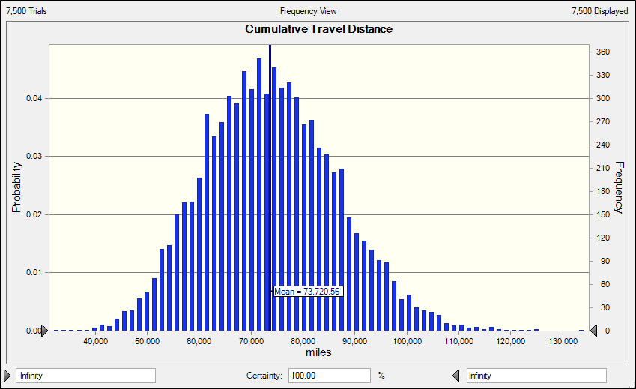
 |  |  |  |  |  |  |  |  |  |  | Forecast: Cumulative Travel Distance
 |  |  |  |  |  |  |  |  |  |  | Statistic | Forecast values
 |  |  |  |  |  |  |  |  |  |  | Trials | 7,500
 |  |  |  |  |  |  |  |  |  |  | Base Case | 78,946.00
 |  |  |  |  |  |  |  |  |  |  | Mean | 73,720.56
 |  |  |  |  |  |  |  |  |  |  | Median | 73,258.50
 |  |  |  |  |  |  |  |  |  |  | Mode | 78,507.00
 |  |  |  |  |  |  |  |  |  |  | Standard Deviation | 12,724.72
 |  |  |  |  |  |  |  |  |  |  | Variance | 161,918,431.76
 |  |  |  |  |  |  |  |  |  |  | Skewness | 0.2526
 |  |  |  |  |  |  |  |  |  |  | Kurtosis | 3.02
 |  |  |  |  |  |  |  |  |  |  | Coeff. of Variation | 0.1726
 |  |  |  |  |  |  |  |  |  |  | Minimum | 31,845.00
 |  |  |  |  |  |  |  |  |  |  | Maximum | 134,206.00
 |  |  |  |  |  |  |  |  |  |  | Mean Std. Error | 146.93

Status Quo Weighted Random
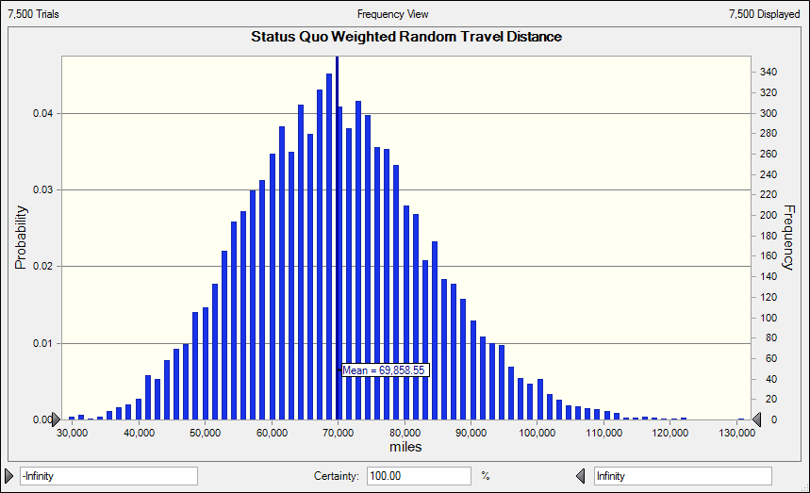
 |  | Seed 1 |  |  | Seed 2 |  |  | Seed 3 |  |  | Seed 4 |  |  | Seed 5 |  |  |  |  |  | Seed 1 |  |  | Seed 2 |  |  | Seed 3 |  |  | Seed 4 |  |  | Seed 5 |  |  |  |  | Seed 1 |  |  | Seed 2 |  |  | Seed 3 |  |  | Seed 4 |  |  | Seed 5 |  |  |  |  | Seed 1 |  |  | Seed 2 |  |  | Seed 3 |  |  | Seed 4 |  |  | Seed 5
Pacific | Weight | Normalized | Cumulative | New Weight | Normalized | Cumulative | New Weight | Normalized | Cumulative | New Weight | Normalized | Cumulative | New Weight | Normalized | Cumulative |  |  | Central | Weight | Normalized | Cumulative | New Weight | Normalized | Cumulative | New Weight | Normalized | Cumulative | New Weight | Normalized | Cumulative | New Weight | Normalized | Cumulative |  | Metropolitan | Weight | Normalized | Cumulative | New Weight | Normalized | Cumulative | New Weight | Normalized | Cumulative | New Weight | Normalized | Cumulative | New Weight | Normalized | Cumulative |  | Atlantic | Weight | Normalized | Cumulative | New Weight | Normalized | Cumulative | New Weight | Normalized | Cumulative | New Weight | Normalized | Cumulative | New Weight | Normalized | Cumulative
Anaheim | 1.03 | 0.127 | 0.000 | 1.03 | 0.145 | 0.000 | 1.03 | 0.168 | 0.000 | 1.03 | 0.209 | 0.000 | 1.03 | 0.262 | 0.000 | Anaheim |  | Arizona | 0.87 | 0.113 | 0.000 | 0.87 | 0.129 | 0.000 | 0.87 | 0.152 | 0.000 | 0.87 | 0.192 | 0.000 | 0.87 | 0.224 | 0.000 | Arizona | Carolina | 0.72 | 0.097 | 0.000 | 0.72 | 0.111 | 0.000 | 0.72 | 0.129 | 0.000 | 0.72 | 0.148 | 0.000 | 0.72 | 0.188 | 0.000 | Carolina | Boston | 1.12 | 0.140 | 0.000 | 1.12 | 0.160 | 0.000 | 1.12 | 0.190 | 0.000 | 1.12 | 0.228 | 0.000 | 1.12 | 0.275 | 0.000 | Boston
Calgary | 1.00 | 0.123 | 0.127 | 1.00 | 0.141 | 0.145 | 1.00 | 0.162 | 0.168 | 1.00 | 0.202 | 0.209 | - | 0.000 | 0.262 | Calgary |  | Chicago | 1.04 | 0.134 | 0.113 | 1.04 | 0.154 | 0.129 | - | 0.000 | 0.152 | - | 0.000 | 0.192 | - | 0.000 | 0.224 | Chicago | Columbus | 0.70 | 0.095 | 0.097 | 0.70 | 0.109 | 0.111 | 0.70 | 0.127 | 0.129 | - | 0.000 | 0.148 | - | 0.000 | 0.188 | Columbus | Buffalo | 0.99 | 0.124 | 0.140 | 0.99 | 0.142 | 0.160 | 0.99 | 0.168 | 0.190 | - | 0.000 | 0.228 | - | 0.000 | 0.275 | Buffalo
Edmonton | 0.93 | 0.115 | 0.251 | 0.93 | 0.131 | 0.286 | 0.93 | 0.151 | 0.330 | 0.93 | 0.188 | 0.411 | 0.93 | 0.236 | 0.262 | Edmonton |  | Colorado | 0.98 | 0.126 | 0.247 | - | 0.000 | 0.283 | - | 0.000 | 0.152 | - | 0.000 | 0.192 | - | 0.000 | 0.224 | Colorado | New Jersey | 0.90 | 0.123 | 0.193 | 0.90 | 0.140 | 0.220 | 0.90 | 0.163 | 0.257 | 0.90 | 0.187 | 0.148 | 0.90 | 0.237 | 0.188 | New Jersey | Detroit | 1.08 | 0.135 | 0.264 | 1.08 | 0.155 | 0.303 | 1.08 | 0.183 | 0.358 | 1.08 | 0.220 | 0.228 | 1.08 | 0.265 | 0.275 | Detroit
Las Vegas | 1.00 | 0.124 | 0.365 | 1.00 | 0.141 | 0.417 | 1.00 | 0.163 | 0.481 | 1.00 | 0.203 | 0.599 | 1.00 | 0.255 | 0.498 | Las Vegas |  | Dallas | 0.99 | 0.128 | 0.373 | 0.99 | 0.147 | 0.283 | 0.99 | 0.173 | 0.152 | 0.99 | 0.219 | 0.192 | 0.99 | 0.254 | 0.224 | Dallas | NYI | 0.91 | 0.123 | 0.315 | - | 0.000 | 0.359 | - | 0.000 | 0.420 | - | 0.000 | 0.335 | - | 0.000 | 0.425 | NYI | Florida | 0.65 | 0.082 | 0.399 | 0.65 | 0.094 | 0.457 | 0.65 | 0.111 | 0.541 | 0.65 | 0.133 | 0.448 | 0.65 | 0.161 | 0.541 | Florida
Los Angeles | 0.97 | 0.120 | 0.489 | 0.97 | 0.137 | 0.558 | 0.97 | 0.159 | 0.645 | 0.97 | 0.198 | 0.802 | 0.97 | 0.248 | 0.752 | Los Angeles |  | Minnesota | 1.00 | 0.129 | 0.501 | 1.00 | 0.147 | 0.429 | 1.00 | 0.174 | 0.326 | 1.00 | 0.220 | 0.411 | 1.00 | 0.255 | 0.478 | Minnesota | NYR | 0.93 | 0.127 | 0.438 | 0.93 | 0.144 | 0.359 | - | 0.000 | 0.420 | - | 0.000 | 0.335 | - | 0.000 | 0.425 | NYR | Montreal | 1.21 | 0.151 | 0.480 | 1.21 | 0.174 | 0.551 | 1.21 | 0.206 | 0.652 | 1.21 | 0.247 | 0.581 | 1.21 | 0.298 | 0.702 | Montreal
San Jose | 1.20 | 0.149 | 0.610 | 1.20 | 0.170 | 0.696 | 1.20 | 0.197 | 0.803 | - | 0.000 | 1.000 | - | 0.000 | 1.000 | San Jose |  | Nashville | 1.04 | 0.134 | 0.630 | 1.04 | 0.154 | 0.577 | 1.04 | 0.182 | 0.500 | 1.04 | 0.230 | 0.631 | 1.04 | 0.267 | 0.733 | Nashville | Philadelphia | 1.17 | 0.159 | 0.565 | 1.17 | 0.182 | 0.504 | 1.17 | 0.212 | 0.420 | 1.17 | 0.243 | 0.335 | 1.17 | 0.308 | 0.425 | Philadelphia | Ottawa | 1.08 | 0.135 | 0.632 | 1.08 | 0.155 | 0.725 | - | 0.000 | 0.857 | - | 0.000 | 0.829 | - | 0.000 | 1.000 | Ottawa
Seattle | 1.00 | 0.124 | 0.759 | - | 0.000 | 0.866 | - | 0.000 | 1.000 | - | 0.000 | 1.000 | - | 0.000 | 1.000 | Seattle |  | St. Louis | 1.19 | 0.154 | 0.764 | 1.19 | 0.176 | 0.730 | 1.19 | 0.208 | 0.681 | - | 0.000 | 0.861 | - | 0.000 | 1.000 | St. Louis | Pittsburgh | 1.01 | 0.138 | 0.724 | 1.01 | 0.157 | 0.685 | 1.01 | 0.183 | 0.632 | 1.01 | 0.210 | 0.579 | 1.01 | 0.266 | 0.734 | Pittsburgh | Tampa Bay | 0.84 | 0.105 | 0.767 | 0.84 | 0.121 | 0.879 | 0.84 | 0.143 | 0.857 | 0.84 | 0.171 | 0.829 | - | 0.000 | 1.000 | Tampa Bay
Vancouver | 0.95 | 0.118 | 0.882 | 0.95 | 0.134 | 0.866 | - | 0.000 | 1.000 | - | 0.000 | 1.000 | - | 0.000 | 1.000 | Vancouver |  | Winnipeg | 0.63 | 0.082 | 0.918 | 0.63 | 0.093 | 0.907 | 0.63 | 0.110 | 0.890 | 0.63 | 0.139 | 0.861 | - | 0.000 | 1.000 | Winnipeg | Washington | 1.02 | 0.138 | 0.862 | 1.02 | 0.158 | 0.842 | 1.02 | 0.184 | 0.816 | 1.02 | 0.211 | 0.789 | - | 0.000 | 1.000 | Washington | Toronto | 1.03 | 0.128 | 0.872 | - | 0.000 | 1.000 | - | 0.000 | 1.000 | - | 0.000 | 1.000 | - | 0.000 | 1.000 | Toronto
 | 8.08 | 1.000 |  | 7.08 | 1.000 |  | 6.13 | 1.000 |  | 4.92 | 1.000 |  | 3.93 | 1.000 |  |  |  |  | 7.75 | 1.000 |  | 6.77 | 1.000 |  | 5.73 | 1.000 |  | 4.54 | 1.000 |  | 3.90 | 1.000 |  |  |  | 7.37 | 1.000 |  | 6.46 | 1.000 |  | 5.53 | 1.000 |  | 4.82 | 1.000 |  | 3.80 | 1.000 |  |  |  | 8.01 | 1.000 |  | 6.98 | 1.000 |  | 5.90 | 1.000 |  | 4.91 | 1.000 |  | 4.07 | 1.000

Seed # | Random # | Team |  | Games | Trips |  |  |  |  |  |  |  |  |  |  |  |  | Seed # | Random # | Team |  |  |  |  |  |  |  |  |  |  |  |  |  |  | Seed # | Random # | Team |  |  |  |  |  |  |  |  |  |  |  |  |  |  | Seed # | Random # | Team
1 | 0.8692 | Seattle |  | 4 | 3 |  |  |  |  |  |  |  |  |  |  |  |  | 1 | 0.3616 | Colorado |  |  |  |  |  |  |  |  |  |  |  |  |  |  | 1 | 0.3987 | NYI |  |  |  |  |  |  |  |  |  |  |  |  |  |  | 1 | 0.9311 | Toronto
2 | 0.9051 | Vancouver |  | 5 | 5 |  |  |  |  |  |  |  |  |  |  |  |  | 2 | 0.2227 | Chicago |  |  |  |  |  |  |  |  |  |  |  |  |  |  | 2 | 0.4118 | NYR |  |  |  |  |  |  |  |  |  |  |  |  |  |  | 2 | 0.7378 | Ottawa
3 | 0.9768 | San Jose |  | 6 | 7 |  |  |  |  |  |  |  |  |  |  |  |  | 3 | 0.7142 | St. Louis |  |  |  |  |  |  |  |  |  |  |  |  |  |  | 3 | 0.1837 | Columbus |  |  |  |  |  |  |  |  |  |  |  |  |  |  | 3 | 0.2280 | Buffalo
4 | 0.4006 | Calgary |  | 7 | 9 |  |  |  |  |  |  |  |  |  |  |  |  | 4 | 0.9547 | Winnipeg |  |  |  |  |  |  |  |  |  |  |  |  |  |  | 4 | 0.8386 | Washington |  |  |  |  |  |  |  |  |  |  |  |  |  |  | 4 | 0.8468 | Tampa Bay
5 | 0.7038 | Las Vegas |  |  |  |  |  |  |  |  |  |  |  |  |  |  |  | 5 | 0.4886 | Minnesota |  |  |  |  |  |  |  |  |  |  |  |  |  |  | 5 | 0.9041 | Pittsburgh |  |  |  |  |  |  |  |  |  |  |  |  |  |  | 5 | 0.8660 | Montreal

Determining Wild Cards
First wild card (7 seed overall) must finish 4th place in their division
Second wild card (8 seed overall) can either be 4 seed in other division, or 5 seed in same division
Assumption: 2x likelihood that the 8 seed will be the other division's 4 seed
WEST
Determining the 7 seed |  |  | Yes/No | 0.5
Pacific | 4 | Calgary | 1 | 7 | Calgary
Central | 4 | Winnipeg | 0 | 0 | Winnipeg
Determining the 8 seed |  |  | Yes/No | 0.666667
Central | 4 | Winnipeg | 1 | 8 | Winnipeg
Pacific | 5 | Las Vegas | 0 | 0 | Las Vegas
EAST
Determining the 7 seed |  |  | Yes/No | 0.5
Metropolitan | 4 | Washington | 1 | 7 | Washington
Atlantic | 4 | Tampa Bay | 0 | 0 | Tampa Bay
Determining the 8 seed |  |  | Yes/No | 0.666667
Atlantic | 4 | Tampa Bay | 1 | 8 | Tampa Bay
Metropolitan | 5 | Pittsburgh | 0 | 0 | Pittsburgh

FIRST ROUND |  |  |  |  |  |  |  | QUARTERFINALS |  |  |  |  |  |  |  | SEMIFINALS |  |  |  |  |  |  |  | FINALS
 |  | Yes/No | 0.63 |  |  |  |  |  |  | Yes/No | 0.58 |  |  |  |  |  |  |  | Yes/No | 0.55 |  |  |  |  |  |  | Yes/No | 0.65
Pacific |  | Games | Winner | Total Trips | Distance | Winning Seed |  |  |  | Games | Winner | Total Trips | Distance | Winning Seed |  | (determining winners) |  |  |  |  |  |  |  | (determining winners)
1 | Seattle | 7 | 1 | 9 | 10359 | 1 |  | 1 | Seattle | 6 | 1 | 7 | 889 | 1 |  | 1 | Seattle |  |  |  |  |  |  | 1 | Seattle
8 | Winnipeg |  | 0 |  |  | 0 |  | 2 | Vancouver |  | 0 |  |  | 0 |  | 2 | Chicago |  |  |  |  |  |  | 1 | NYI
 |  |  |  |  |  |  |  |  |  |  |  |  |  |  |  | (sorting winners by seed) |  | Games | Winner | Total Trips | Distance | Winning Seed |  | (sorting winners by seed) |  | Games | Winner | Total Trips | Distance
2 | Vancouver | 4 | 1 | 3 | 2460 | 2 |  |  |  |  |  |  |  |  |  | 1 | Seattle | 6 | 1 | 7 | 12103 | 1 |  | 1 | Seattle | 6 | 0 | 7 | 16849
3 | San Jose |  | 0 |  |  | 0 |  |  |  |  |  |  |  |  |  | 2 | Chicago |  | 0 |  |  | 0 |  | 1 | NYI |  | 1
Central
1 | Colorado | 5 | 0 | 5 | 4500 | 0 |  | 2 | Chicago | 5 | 1 | 5 | 6985 | 2
7 | Calgary |  | 1 |  |  | 7 |  | 7 | Calgary |  | 0 |  |  | 0

2 | Chicago | 6 | 1 | 7 | 1764 | 2
3 | St. Louis |  | 0 |  |  | 0
Metropolitan |  |  |  |  |  |  |  |  |  |  |  |  |  |  |  | (determining winners)
1 | NYI | 4 | 1 | 3 | 3036 | 1 |  | 1 | NYI | 6 | 1 | 7 | 7 | 1 |  | 1 | NYI
8 | Tampa Bay |  | 0 |  |  | 0 |  | 2 | NYR |  | 0 |  |  | 0 |  | 3 | Buffalo
 |  |  |  |  |  |  |  |  |  |  |  |  |  |  |  | (sorting winners by seed) |  | Games | Winner | Total Trips | Distance | Winning Seed
2 | NYR | 5 | 1 | 5 | 2385 | 2 |  |  |  |  |  |  |  |  |  | 1 | NYI | 6 | 1 | 7 | 2037 | 1
3 | Columbus |  | 0 |  |  | 0 |  |  |  |  |  |  |  |  |  | 3 | Buffalo |  | 0 |  |  | 0
Atlantic
1 | Toronto | 6 | 0 | 7 | 2520 | 0 |  | 3 | Buffalo | 7 | 1 | 9 | 2664 | 3
7 | Washington |  | 1 |  |  | 7 |  | 7 | Washington |  | 0 |  |  | 0

2 | Ottawa | 5 | 0 | 5 | 1120 | 0
3 | Buffalo |  | 1 |  |  | 3

 | Cumulative Travel Distance | 69678

Round 16 |  |  | Quarterfinals: |  |  | Semi-finals |  |  | Finals
Games | % |  | Games | % |  | Games | % |  | Games | %
4 | 0.129 |  | 4 | 0.161 |  | 4 | 0.113 |  | 4 | 0.194
5 | 0.218 |  | 5 | 0.274 |  | 5 | 0.323 |  | 5 | 0.194
6 | 0.383 |  | 6 | 0.282 |  | 6 | 0.274 |  | 6 | 0.355
7 | 0.270 |  | 7 | 0.282 |  | 7 | 0.290 |  | 7 | 0.258

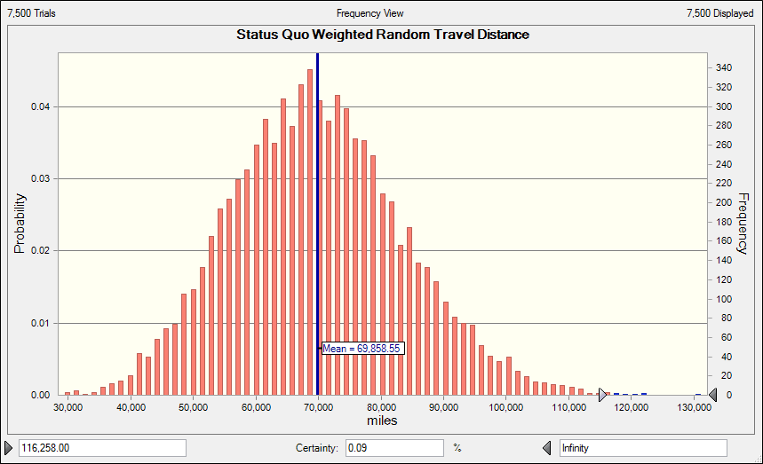
 |  |  |  |  |  |  |  |  |  | Forecast: Status Quo Weighted Random Travel Distance
 |  |  |  |  |  |  |  |  |  | Statistic | Forecast values
 |  |  |  |  |  |  |  |  |  | Trials | 7,500
 |  |  |  |  |  |  |  |  |  | Base Case | 80,541.00
 |  |  |  |  |  |  |  |  |  | Mean | 69,858.55
 |  |  |  |  |  |  |  |  |  | Median | 69,314.00
 |  |  |  |  |  |  |  |  |  | Mode | 62,092.00
 |  |  |  |  |  |  |  |  |  | Standard Deviation | 13,763.60
 |  |  |  |  |  |  |  |  |  | Variance | 189,436,622.66
 |  |  |  |  |  |  |  |  |  | Skewness | 0.2436
 |  |  |  |  |  |  |  |  |  | Kurtosis | 3.02
 |  |  |  |  |  |  |  |  |  | Coeff. of Variation | 0.197
 |  |  |  |  |  |  |  |  |  | Minimum | 29,104.00
 |  |  |  |  |  |  |  |  |  | Maximum | 131,310.00
 |  |  |  |  |  |  |  |  |  | Mean Std. Error | 158.93

1 to 16 Random
 |  |  |  | FIRST ROUND |  |  |  |  |  |  |  | QUARTERFINALS |  |  |  |  |  |  | SEMIFINALS |  |  |  |  |  |  | FINALS
 |  |  |  |  |  |  | Yes/No | 0.63 |  |  |  |  |  |  | Yes/No | 0.58 |  |  |  |  |  | Yes/No | 0.55 |  |  |  |  |  | Yes/No | 0.65
0.97600042026 | 2 | Anaheim |  |  |  | Games | Winner | Total Trips | Distance | Winning Seed |  |  |  | Games | Winner | Total Trips | Distance | Winning Seed |  |  | Games | Winner | Total Trips | Distance | Winning Seed |  |  | Games | Winner | Total Trips | Distance
0.86078475964 | 9 | Arizona |  | 1 | New Jersey | 7 | 1 | 9 | 12330 | 1 |  | 1 | New Jersey | 6 | 1 | 7 | 7042 | 1 | 1 | New Jersey | 4 | 0 | 3 | 2610 | 0 | 5 | Los Angeles | 6 | 1 | 7 | 11123
0.75789507592 | 11 | Boston |  | 16 | Dallas |  | 0 |  |  | 0 |  | 14 | Minnesota |  | 0 |  |  | 0 | 10 | St. Louis |  | 1 |  |  | 10 | 10 | St. Louis |  | 0
0.56705389425 | 19 | Buffalo
0.24350679707 | 29 | Calgary |  | 8 | Las Vegas | 4 | 0 | 3 | 768 | 0 |  | 2 | Anaheim | 5 | 0 | 5 | 7830 | 0 | 4 | Pittsburgh | 4 | 0 | 3 | 6393 | 0
0.71532815651 | 13 | Carolina |  | 9 | Arizona |  | 1 |  |  | 9 |  | 10 | St. Louis |  | 1 |  |  | 10 | 5 | Los Angeles |  | 1 |  |  | 5
0.40582126591 | 24 | Chicago
0.68252760683 | 15 | Colorado |  | 5 | Los Angeles | 5 | 1 | 5 | 11530 | 5 |  | 4 | Pittsburgh | 6 | 1 | 7 | 12663 | 4
0.44789995636 | 22 | Columbus |  | 12 | Washington |  | 0 |  |  | 0 |  | 9 | Arizona |  | 0 |  |  | 0
0.6595943845 | 16 | Dallas
0.40448304016 | 25 | Detroit |  | 4 | Pittsburgh | 6 | 1 | 7 | 2303 | 4 |  | 5 | Los Angeles | 7 | 1 | 9 | 22185 | 5
0.33802545659 | 27 | Edmonton |  | 13 | Carolina |  | 0 |  |  | 0 |  | 6 | NYR |  | 0 |  |  | 0
0.31400964709 | 28 | Florida
0.87452862619 | 8 | Las Vegas |  | 6 | NYR | 4 | 1 | 3 | 552 | 6
0.90730651466 | 5 | Los Angeles |  | 11 | Boston |  | 0 |  |  | 0
0.68833755106 | 14 | Minnesota
0.57795826392 | 18 | Montreal |  | 3 | Tampa Bay | 5 | 0 | 5 | 6540 | 0
0.35580181665 | 26 | Nashville |  | 14 | Minnesota |  | 1 |  |  | 14
0.99289087412 | 1 | New Jersey
0.40704873263 | 23 | NYI |  | 7 | Philadelphia | 6 | 0 | 7 | 5677 | 0
0.9055279981 | 6 | NYR |  | 10 | St. Louis |  | 1 |  |  | 10
0.5236089555 | 21 | Ottawa
0.89568237904 | 7 | Philadelphia |  | 2 | Anaheim | 5 | 1 | 5 | 4220 | 2
0.94641810881 | 4 | Pittsburgh |  | 15 | Colorado |  | 0 |  |  | 0
0.027615862168 | 31 | San Jose
0.0073561716781 | 32 | Seattle
0.77526038763 | 10 | St. Louis |  |  |  | Cumulative Travel Distance | 113766
0.96337860052 | 3 | Tampa Bay
0.60045258393 | 17 | Toronto
0.52415177289 | 20 | Vancouver
0.74147930394 | 12 | Washington
0.23237079876 | 30 | Winnipeg

 | Games | Trips
 | 4 | 3
 | 5 | 5
 | 6 | 7
 | 7 | 9

All Game Numbers Follow a Custom Distribution:
Round of 16: |  |  | Quarterfinals: |  |  | Semi-finals |  |  | Finals
Games | % |  | Games | % |  | Games | % |  | Games | %
4 | 0.129 |  | 4 | 0.161 |  | 4 | 0.113 |  | 4 | 0.194
5 | 0.218 |  | 5 | 0.274 |  | 5 | 0.323 |  | 5 | 0.194
6 | 0.383 |  | 6 | 0.282 |  | 6 | 0.274 |  | 6 | 0.355
7 | 0.270 |  | 7 | 0.282 |  | 7 | 0.290 |  | 7 | 0.258

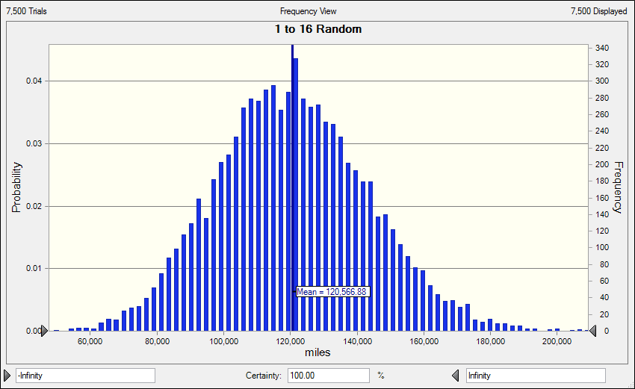
 |  |  |  |  |  |  |  |  |  |  | Forecast: 1 to 16 Random
 |  |  |  |  |  |  |  |  |  |  | Statistic | Forecast values
 |  |  |  |  |  |  |  |  |  |  | Trials | 7,500
 |  |  |  |  |  |  |  |  |  |  | Base Case | 124,068.00
 |  |  |  |  |  |  |  |  |  |  | Mean | 120,566.88
 |  |  |  |  |  |  |  |  |  |  | Median | 119,954.00
 |  |  |  |  |  |  |  |  |  |  | Mode | 86,322.00
 |  |  |  |  |  |  |  |  |  |  | Standard Deviation | 22,689.00
 |  |  |  |  |  |  |  |  |  |  | Variance | 514,790,844.91
 |  |  |  |  |  |  |  |  |  |  | Skewness | 0.1877
 |  |  |  |  |  |  |  |  |  |  | Kurtosis | 2.99
 |  |  |  |  |  |  |  |  |  |  | Coeff. of Variation | 0.1882
 |  |  |  |  |  |  |  |  |  |  | Minimum | 48,695.00
 |  |  |  |  |  |  |  |  |  |  | Maximum | 207,975.00
 |  |  |  |  |  |  |  |  |  |  | Mean Std. Error | 261.99

